TestCase1
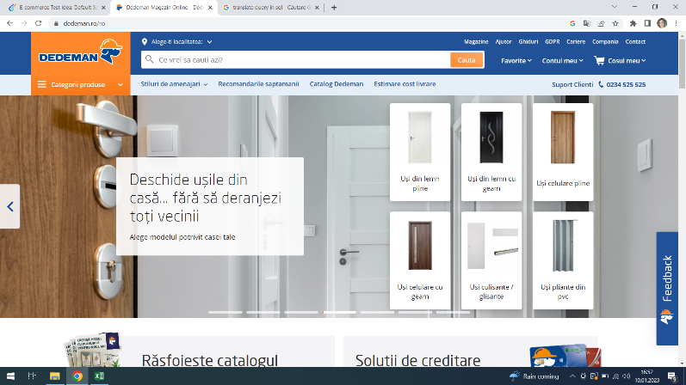
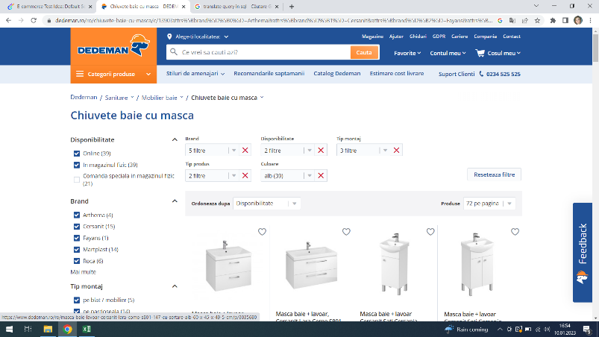
Test Case ID |  |  | Test Case Description
Created By |  | Andreea | Reviewed By |  |  | Version

QA Tester’s Log

Tester's Name |  | Andreea | Date Tested 10,01,2023 |  |  | Test Case (Pass/Fail/Not Executed)

S # | Prerequisites: |  |  | S # | Test Data Requirement
1 | Access to Chrome |  |  | 1
2 |  |  |  | 2
3 |  |  |  | 3
4 |  |  |  | 4
 | Check | the number of filters a user can apply is not limited
Description

Step # | Step Details |  | Expected Results | Actual Results |  |  | Pass / Fail / Not executed / Suspended

1 | Go to Dedeman.ro |  | Site should open | Site opened |  |  | Pass
2 | Click on the Mobilier baie |  | Section should open | Section opened |  |  | Pass
3 | Apply 13 filters |  | There is no filter limit | 13 filters where applied |  |  | Pass

TestCase2
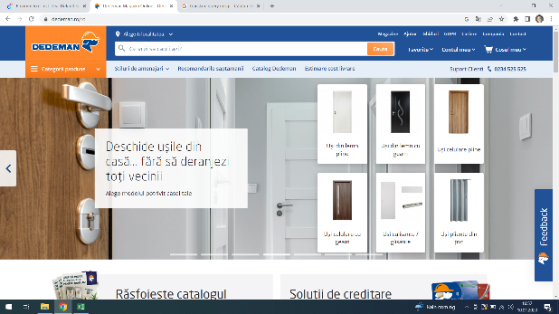

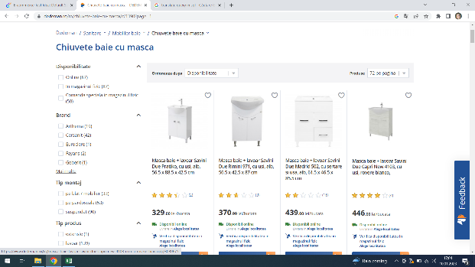
Test Case ID |  |  | Test Case Description
Created By |  | Andreea | Reviewed By |  |  | Version

QA Tester’s Log

Tester's Name |  | Andreea | Date Tested 10,01,2023 |  |  | Test Case (Pass/Fail/Not Executed)

S # | Prerequisites: |  |  | S # | Test Data Requirement
1 | Access to Chrome |  |  | 1
2 |  |  |  | 2
3 |  |  |  | 3
4 |  |  |  | 4

Description |  | Verify if the filter options can be deleted

Step # | Step Details |  | Expected Results | Actual Results |  |  | Pass / Fail / Not executed / Suspended

1 | Go to Dedeman.ro |  | Site should open | Site opened |  |  | Pass
2 | Open Section Mobilier baie |  | Section should open | Section opened |  |  | Pass
3 | Apply filters |  | Filters should apply | Filters applied |  |  | Pass
4 | Press Reseteaza filtrele |  | Filters should disappear | Filters disappeared |  |  | Pass

Test Case 3
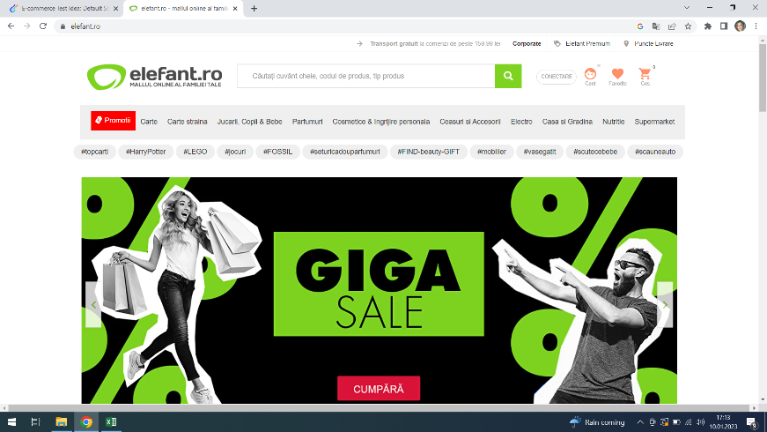
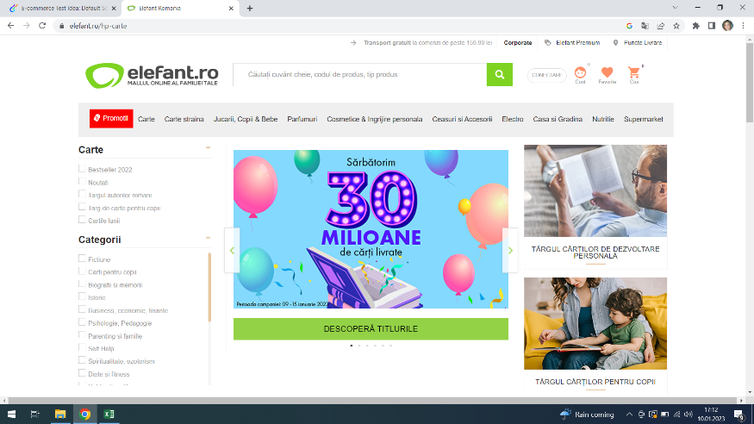
Test Case ID |  |  | Test Case Description
Created By |  | Andreea | Reviewed By |  |  | Version

QA Tester’s Log

Tester's Name |  | Andreea | Date Tested 10,01,2023 |  |  | Test Case (Pass/Fail/Not Executed)

S # | Prerequisites: |  |  | S # | Test Data Requirement
1 | Access to Chrome |  |  | 1
2 |  |  |  | 2
3 |  |  |  | 3
4 |  |  |  | 4

Description |  | Check if the application allows using filter option before searching

Step # | Step Details |  | Expected Results | Actual Results |  |  | Pass / Fail / Not executed / Suspended

1 | Go to Elefant.ro |  | Site should open | Site opened |  |  | Pass
2 | Click on the section Carte |  | Section should open | Section opened |  |  | Pass
3 | Look if the filters are available |  | Filter options presents | Filter option are present |  |  | Pass

